Sheet1
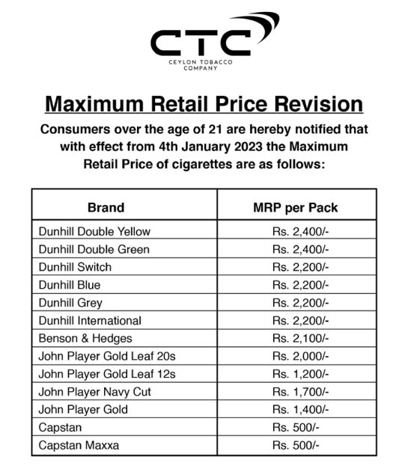
 | Quantity | Price - LKR
 |  | 2025-01-11 | 2024-01-01 | 2023-07-01 | CIGARETTE PRICES 2025 - 2026
Gold Leaf | 1 | 160 | 150 | 125 | TYPE / BRAND | PRICE (1 Stick)
 | 2 | 320 | 300 | 250 | Capston Leep | 40/=
 | 3 | 480 | 450 | 375 | Capston Leep | 60/=
 | 5 | 800 | 750 | 625
 | 12 pack | 1920 | 1800 | 1500 | JP Gold Papy | 105/=
 | 20pack | 3200 | 3000 | 2500 | JP Gold | 160/=
Navycut/ Bristol | 1 | 90 | 85 | 85
 | 2 | 180 | 170 | 170 | JPGL 20 Regular | 160/=
 | 5 | 450 | 425 | 425 | JPGL 12 Regular | 160/=
 | 20 pack | 1800 | 1700 | 1700
Capstan/ Three Roses | 1 | 40 | 35 | 30 | Bristal Special | 115/=
 | 2 | 80 | 70 | 60
 | 5 | 200 | 175 | 150 | B & H | 170/=
 | 20 pack | 800 | 700 | 600
Dunhill/ Benson&Hedges | 1 | 170 | 160 | 135 | Dunhill Tube | 170/=
 | 2 | 340 | 320 | 270 | Dunhill Blue | 170/=
 | 5 | 850 | 800 | 675
 | 20 pack | 3400 | 3200 | 2700

 | 2022.09.01
